Beach Seine and Lampara Volume
a
b
R
h
∅
Lampara Volume Estimates
Measurements By: Dave Contreras & Bonnie Wang |  |  |  |  |  |  |  |  | Conversion from ft to meters
March 2 ,2016 |  |  |  |  |  |  |  |  | ft | meters
V =
h
3b
[a(3R² - a²) + 3R² (b - R) ∅]
Lampara widths and lengths measurements done on a grass field |  |  |  |  |  |  |  |  | 1 | 0.3048

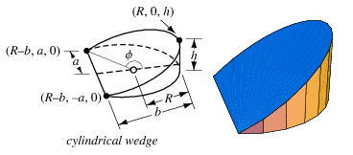

R =
(a^2 +b^2)
2b

1
2
π + tan⁻¹
b - R
a
(
(
∅ =

http://mathworld.wolfram.com/CylindricalWedge.html

 |  |  |  |  |  |  |  |  |  |  | Theata dervied from graph paper using scaled down dimensions of a, b, & R.
Total Width | (Width/2) a |  | (Length) b |  | (Length/2)R | (Height) h | Triangle Prism Volume | True volume |  |  | Total Width | (Width/2) a | (Length) b | (Length/2) R | Æ | (Height) h | Triangle Prism Volume | True volume
5.3 | 2.65 |  | 27.18 |  | 13.6 | 1 | 72.0 |  |  |  | 5.3 | 2.65 | 27.18 | 13.6 | 169 | 1 | 72.0
10 | 5 |  | 25.53 |  | 12.765 | 1 | 127.7 |  |  |  | 10 | 5 | 25.53 | 12.765 | 157.5 | 1 | 127.7
15.55 | 7.775 |  | 22.65 |  | 11.33 | 1 | 176.1 |  | Length seems incorrect |  | 15.55 | 7.775 | 22.65 | 11.33 | 145 | 1 | 176.1
20 | 10 |  | 23.75 |  | 11.86 | 1 | 237.5 |  |  |  | 20 | 10 | 23.75 | 11.86 | 140 | 1 | 237.5
25 | 12.5 |  | 21.52 |  | 10.76 | 1 | 269.0 |  |  |  | 25 | 12.5 | 21.52 | 10.76 | 131 | 1 | 269.0
30 | 15 |  | 20.39 |  | 10.24 | 1 | 305.9 |  |  |  | 30 | 15 | 20.39 | 10.24 | 124 | 1 | 305.9
35 | 17.5 |  | 17.95 |  | 8.9 | 1 | 314.1 |  |  |  | 35 | 17.5 | 17.95 | 8.9 | 123.5 | 1 | 314.1
40 | 20 |  | 17.5 |  | 8.75 | 1 | 350.0 |  |  |  | 40 | 20 | 17.5 | 8.75 | 123 | 1 | 350.0
 |  |  |  |  |  |  |  |  |  |  | I changed 22.65 to 24.65 on the next excel sheet because that is the trend. I believe 22.65 was incorrectly recorded in the field.

Height
Height
Height
Height

Volume of a beach seine = ½ Height x Width x Length

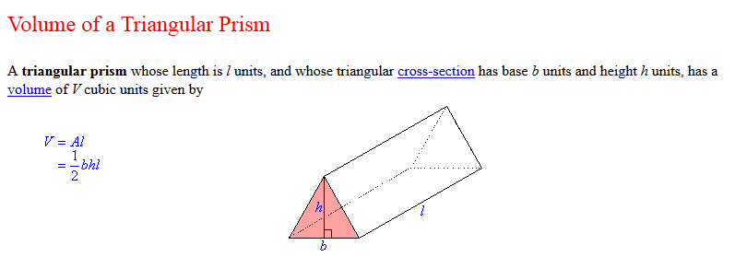

 | length | width | depth (m) | depth (ft) | Volume
 | 3 | 8 | 1.1 | 3.6089238845 | 13.2

Small Lampara Seine Volume
Lampara Beach Seine Estimated Volumes
Measurements taken on Lampara net LAM01 in the Stockton back parking lot by D. Contreras and S. Lee on July 21, 2017

a
b
R
h
∅

V =
h
3b
[a(3R² - a²) + 3R² (b - R) ∅]

R =
(a^2 +b^2)
2b

1
2
π + tan⁻¹
b - R
a
(
(
∅ =

1. Recalculate R (it's not necessarily 1/2 of b) |  | Total Width | (Width/2) a | (Length) b | R | (Height) h
use the formula in the link you provide: |  | 5 | 2.5 | 14.57 | 7.5 | 1
 |  | 10 | 5 | 13.8 | 7.8 | 1
 |  | 15 | 7.5 | 12.71 | 8.6 | 1
 |  | 20 | 10 | 10.03 | 10.0 | 1
 |  | 25 | 12.5 | 8.05 | 13.7 | 1
 |  | 30 | 15 | 3.12 | 37.6 | 1
solve for R: | in the 2nd equation, R= (a^2 +b^2)/2b

2. Recalculate theta using the equation in the link you provided |  | Total Width | (Width/2) a | (Length) b | R | Æ
Using the identities |  | 5 | 2.5 | 14.57 | 7.5 | 2.8
 |  | 10 | 5 | 13.8 | 7.8 | 2.4
 |  | 15 | 7.5 | 12.71 | 8.6 | 2.1
 |  | 20 | 10 | 10.03 | 10.0 | 1.6
 |  | 25 | 12.5 | 8.05 | 13.7 | 1.1
 |  | 30 | 15 | 3.12 | 37.6 | 0.4

 |  | Small Lampara Seine Volume Calculations
3. Calculate True volume using equation in the link provided: |  | Total Width | (Width/2) a | (Length) b | R | Æ | h | Volume | Conversion from ft to meters
 |  | 5 | 2.5 | 14.57 | 7.5 | 2.8 | 0.6 | 52.3 | Enter Ft | Ft | meters
 |  | 7.5* |  |  |  |  |  | 51.7 | 2 | 2.0 | 0.6096
 |  | 10 | 5 | 13.8 | 7.8 | 2.4 | 0.6 | 51.1
 |  | 12.5* |  |  |  |  |  | 50.5
 |  | 15 | 7.5 | 12.71 | 8.6 | 2.1 | 0.6 | 49.9 | Top height 11.9 ft
 |  | 17.5* |  |  |  |  |  | 45.4
 |  | 20 | 10 | 10.03 | 10.0 | 1.6 | 0.6 | 40.8
 |  | 22.5* |  |  |  |  |  | 38.6
 |  | 25 | 12.5 | 8.05 | 13.7 | 1.1 | 0.6 | 36.4
 |  | 27.5* |  |  |  |  |  | 29.7
 |  | 30 | 15 | 3.12 | 37.6 | 0.4 | 0.6 | 23.0
 |  | * denotes volumes estimated from averages |  |  |  |  | Average | 43.3

Small Lampara Drag and Drop
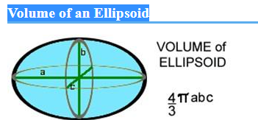
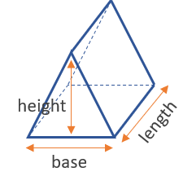
Drag and Drop Lampara Volume - At The End Of A Channel |  |  |  | Drag and Drop Lampara Volume - In The Middle Of A Channel
Length (m) | Width (m) | Depth (m) | Volume* | Length (m) | Width (m) | Depth (ft) | Depth (m) | Total Volume
13.8 | 12.3 | 1.6 | 284.3 | 13.8 | 12.3 | 5.4 | 1.6 | 139.6892304
*Since we only sample a quarter of an ellipsoid, the total volume of the ellipsoid is divided by 4

Small Lampara Volume
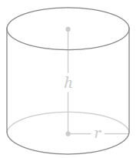
Lampara Open Water Volumes for Gear ID LAM01 and LAM02
$πr$²h
LAM01 Length (m) = | 36.5 | LAM01 Maximum Depth (m) = | 3.7 |  |  |  | Volume of a cylinder =
LAM02 Length (m) = | 36.3 | LAM02 Maximum Depth (m) = | 3.6 |  |  |  |  | 401.59573288
Avg. Length (m) = | 36.4 | Avg. Maximum Depth (m) = | 3.65
 |  |  |  |  |  |  |  | Dashes represent a mock outline of how much
Circle Circumference (m) = | 36.4 |  |  |  |  |  |  | the lampara net samples of the cylinder when fully deployed.
Circle Diameter (m) = | 11.6 | (36.4/3.14)
Circle Radius (m) = | 5.8

Surface Area (m) = | 105.6296

Small Lampara Volume Calculations
Depth (m) | Depth (ft) | Lampara Net Length > depth (m) | Arc Length | Theta | Theta/2 | sin | Chord length (2a) | a | b | Theta in radians | Unsampled Volume | Total cylinder volume | Total Lampara Volume | Depth (ft)
0.3 | 1 | 35.85 | 0.55 | 5.43 | 2.72 | 0.05 | 0.55 | 0.27 | 0.01 | 0.05 | 0.00 | 31.70 | 31.7 | 1
0.6 | 2 | 34.8 | 1.6 | 15.81 | 7.90 | 0.14 | 1.59 | 0.80 | 0.06 | 0.14 | 0.01 | 64.42 | 64.4 | 2
0.9 | 3 | 33.15 | 3.25 | 32.11 | 16.05 | 0.28 | 3.21 | 1.60 | 0.23 | 0.28 | 0.18 | 96.64 | 96.5 | 3
1.2 | 4 | 31.95 | 4.45 | 43.96 | 21.98 | 0.37 | 4.34 | 2.17 | 0.42 | 0.38 | 0.60 | 128.85 | 128.2 | 4
1.5 | 5 | 30.75 | 5.65 | 55.81 | 27.91 | 0.47 | 5.43 | 2.71 | 0.67 | 0.49 | 1.51 | 161.06 | 159.5 | 5
1.8 | 6 | 29.55 | 6.85 | 67.67 | 33.83 | 0.56 | 6.46 | 3.23 | 0.98 | 0.59 | 3.17 | 193.27 | 190.1 | 6
2.1 | 7 | 28.35 | 8.05 | 79.52 | 39.76 | 0.64 | 7.42 | 3.71 | 1.34 | 0.69 | 5.87 | 225.49 | 219.6 | 7
2.4 | 8 | 26.14 | 10.26 | 101.35 | 50.68 | 0.77 | 8.97 | 4.49 | 2.12 | 0.88 | 13.16 | 257.70 | 244.5 | 8
2.7 | 9 | 25.12 | 11.28 | 111.43 | 55.72 | 0.83 | 9.58 | 4.79 | 2.53 | 0.97 | 19.12 | 289.91 | 270.8 | 9
3.0 | 10 | 24.1 | 12.3 | 121.51 | 60.75 | 0.87 | 10.12 | 5.06 | 2.97 | 1.06 | 26.68 | 322.12 | 295.4 | 10
3.4 | 11 | 22.45 | 13.95 | 137.81 | 68.90 | 0.93 | 10.82 | 5.41 | 3.71 | 1.20 | 40.43 | 354.33 | 313.9 | 11
3.7 | >12 | 20.8 | 15.6 | 154.11 | 77.05 | 0.97 | 11.31 | 5.65 | 4.50 | 1.34 | 57.83 | 386.55 | 328.7 | >12

 |  |  |  |  |  |  |  |  |  |  |  |  | Paired T-Test
 |  |  |  |  |  |  |  |  | Depth (ft) | Actual Volume | Estimated Volume |  | Actual Volume |  | Estimated Volume
 |  |  |  |  |  |  |  |  | 1 | 31.704639542 | 28.8 |  | N: | 12
 |  |  |  |  |  |  |  |  | 2 | 64.410108775 | 64.3 |  | Mean: | 195.29 | Mean: | 195.28
 |  |  |  |  |  |  |  |  | 3 | 96.458726379 | 98.3 |  | Median: | 204.86 | Median: | 204.5
 |  |  |  |  |  |  |  |  | 4 | 128.24737923 | 130.7
 |  |  |  |  |  |  |  |  | 5 | 159.54681756 | 161.5 |  | t test
 |  |  |  |  |  |  |  |  | 6 | 190.09889585 | 190.7 |  | Mean difference: | 0.014988 | 95% conf.: | (-1.4455 1.4755)
 |  |  |  |  |  |  |  |  | 7 | 219.61569152 | 218.3 |  | t : | 0.022588 | p (same mean): | 0.98238
 |  |  |  |  |  |  |  |  | 8 | 244.53391455 | 244.4 |  | Exact: |  | p (same mean): | 0.98291
 |  | Lampara Volume = -0.7915x² + 37.921x - 8.3261 |  |  |  |  |  |  | 9 | 270.79443795 | 268.9
Lampara Volume (if depth is not a whole of half number) |  |  |  |  |  |  |  |  | 10 | 295.44671748 | 291.7 |  | Sign test
 | Enter Site Depth (ft) = | 10.5 | 3.2 |  |  |  |  |  | 11 | 313.90876372 | 313 |  | r : | 7 | p (same median): | 0.77441
 | Maxiumum Net Depth (ft) = | 10.5 |  |  |  |  |  |  | >12 | 328.71376839 | 332.7
 | Lampara Volume (m³) = | 302.6 |  |  |  |  |  |  |  |  |  |  | Wilcoxon test :
 |  |  |  |  |  |  |  |  |  |  |  |  | W : | 40
 |  |  |  |  |  |  |  |  |  |  |  |  | Normal appr. z : | 0.078446 | p (same median): | 0.93747
 |  |  |  |  |  |  |  |  |  |  |  |  | Monte Carlo (n=99999): |  | p (same median): | 0.97009
 |  |  |  |  |  |  |  |  |  |  |  |  | Exact: |  | p (same median): | 0.96973

Beach Seine Volumes
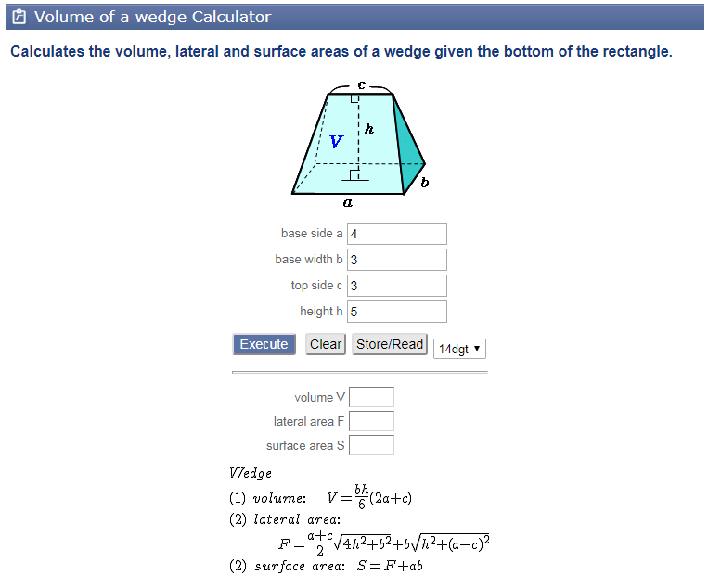
Standard Beach Seine Volume
length (m) | width (m) | depth (m) | depth (ft) | Volume (m³)
13.8 | 12.3 | 5.4 | 17.7 | 458.3

Drag and Drop Beach Seine Volume
Side length | center length | seine width | cod end width | depth (m) | depth (ft) | Volume (m³)
10 | 9.3860268485 | 7 | 0.1 | 1.2 | 3.9 | 13.515878662

Toss, Drag, and Drop Beach Seine Volume |  |  |  |  |  |  |  |  | Toss, Drag, and Drop Beach Seine Volume At The End Of A Channel Volume
center length | shore seine width 1 | shore seine width 2 | cod end width | depth (m) | depth (ft) | V1 (m³) | V2 (m³) | Volume (m³) | Length (m) | Width (m) | Depth (m) | Volume*
9 | 15.7 | 17.7 | 8.85 | 0.61 | 2.0 | 15.2805 | 16.1955 | 31.476 | 13.8 | 12.3 | 1.6 | 284.3
 |  |  |  |  |  |  |  |  | *Since we only sample a quarter of an ellipsoid, the total volume of the ellipsoid is divided by 4

Drag and Drop Method h Derived From:
http://mathworld.wolfram.com/IsoscelesTrapezoid.html
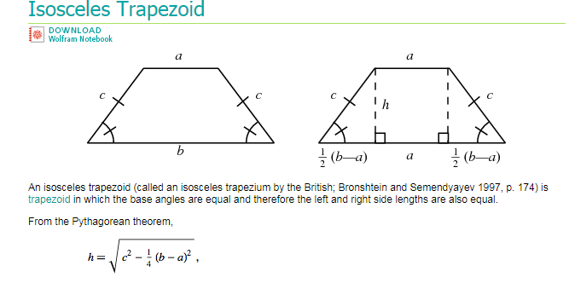

Drag and Drop Method Volume Derived From:
http://keisan.casio.com/exec/system/1322717681

